lipids
 |  | Triglicerides | HDL | LDL |  | < Tri | HDL > | < LDL
 |  | 73 | 70 | 289 |  | 250 | 39 | 130
 | Cholsterol, Total | Triglicerides | HDL Cholesterol | LDL Cholesterol Calc | T. Chol/HDL Ratio | < Tri | HDL > | < LDL
2007 | 237 | 113 | 50 | 164 | 4.7 | 250 | 39 | 130
2008 | 218 | 118 | 46 | 148 | 4.7 | 250 | 39 | 130
2009 | 218 | 102 | 47 | 151 | 4.6 | 250 | 39 | 130
2010 | 214 | 114 | 44 | 147 | 4.9 | 250 | 39 | 130
2011 | 241 | 95 | 46 | 176 | 5.2 | 250 | 39 | 130
2012 | 236 | 88 | 55 | 163 | 4.3 | 250 | 39 | 130
2013 | 233 | 115 | 47 | 163 | 5.0 | 250 | 39 | 130
2014 | 236 | 140 | 46 | 162 | 5.1 | 250 | 39 | 130
2014 | 236 | 140 | 46 | 162 |  | 250 | 39 | 130
2015 | 245 | 145 | 49 | 167 | 5.0 | 250 | 39 | 130
2016 | 234 | 90 | 46 | 170 | 5.1 | 250 | 39 | 130
2017 | 250 | 127 | 49 | 176 | 5.1 | 250 | 39 | 130
2017 | 205 | 72 | 49 | 142 | 4.18 | 250 | 39 | 130
2018 | 265 | 79 | 58 | 191 | 4.6 | 250 | 39 | 130
2019 | 338 | 87 | 57 | 264 | 5.9 | 250 | 39 | 130
2019 | 337 | 71 | 62 | 261 | 5.4 | 250 | 39 | 130
2020 | 348 | 80 | 69 | 263 | 5.0 | 250 | 39 | 130
2021 | 349 | 68 | 60 | 280 | 5.8 | 250 | 39 | 130
2022 | 369 | 73 | 70 | 289 | 5.3 | 250 | 39 | 130
2023 | 374 | 87 | 71 | 290 | 5.3 | 250 | 39 | 130
2024 | 331 | 82 | 72 | 246 | 4.6 | 250 | 39 | 130

LiPiDS

Lab Results
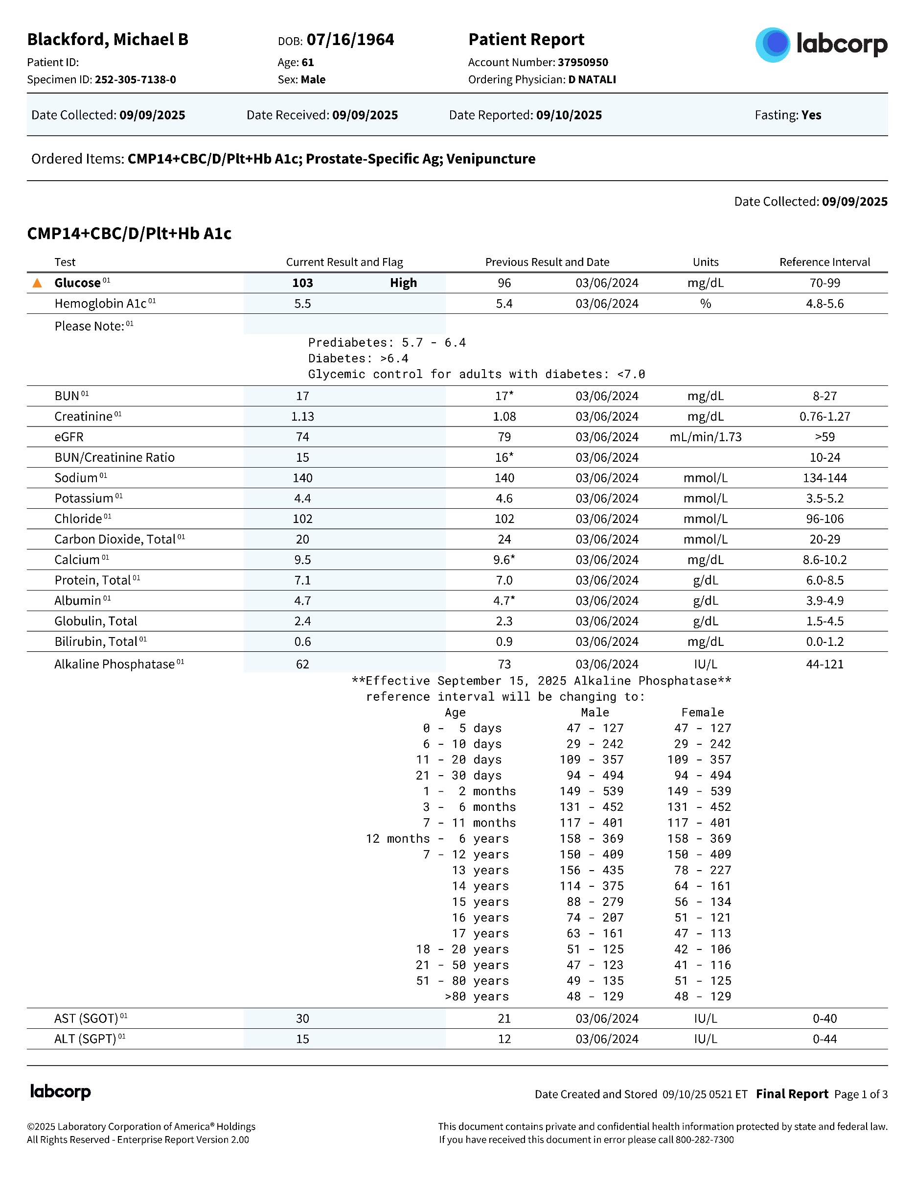
.

 | LabCorps
 | ID: | Bret_Blackford@yahoo.com
 | Paswd: | Pa55word-01

 | weight: |  | 185
 |  |  | 9-Sep-25

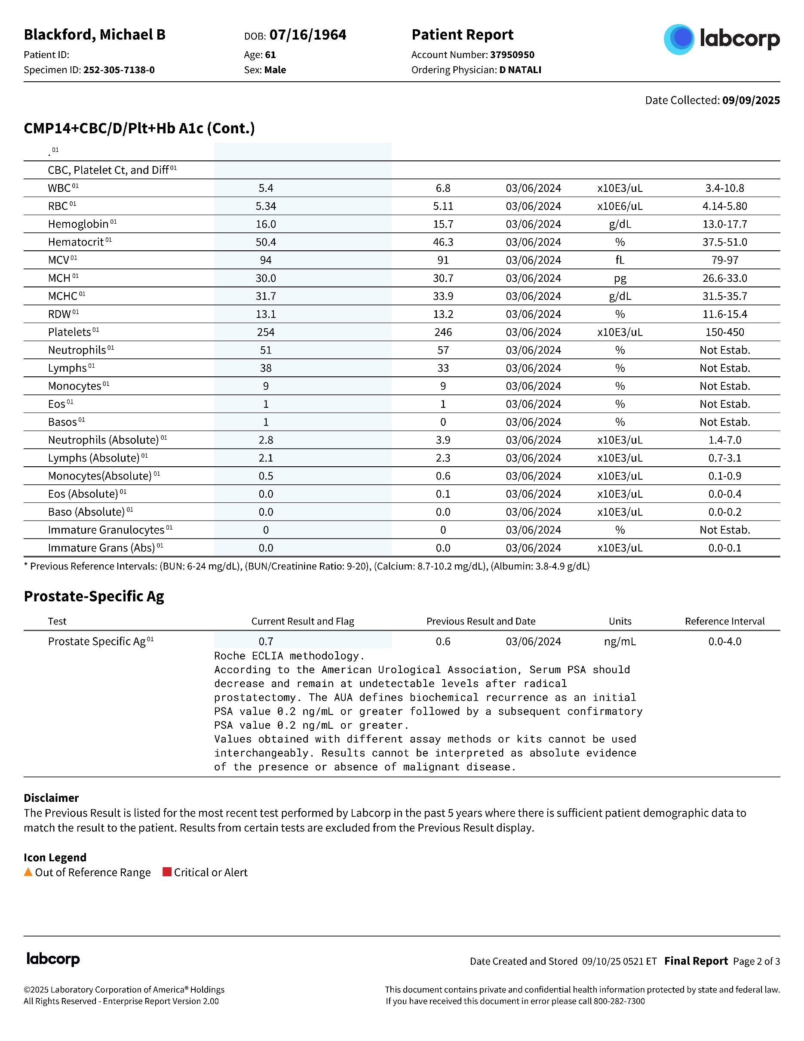

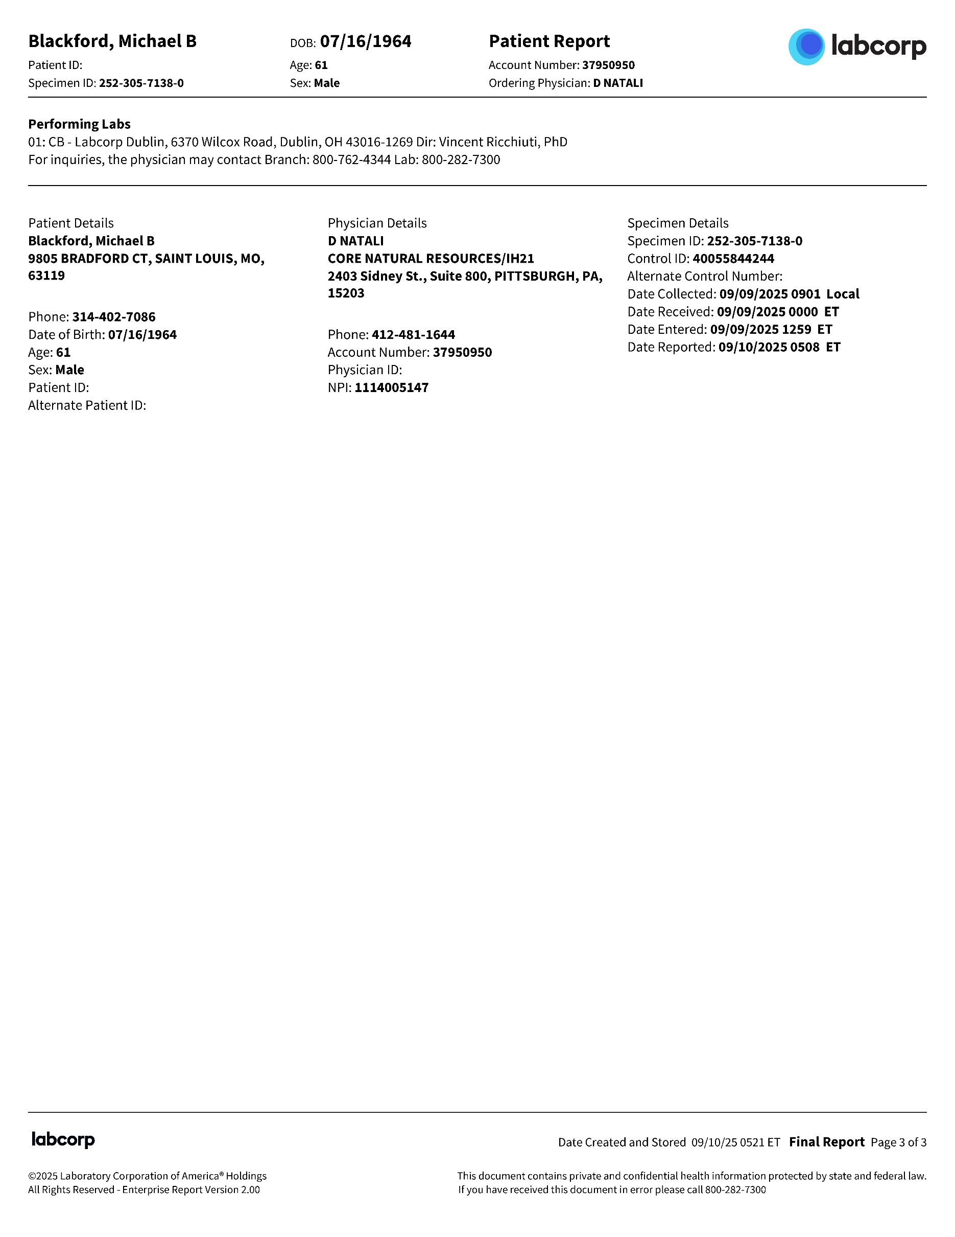

ECG
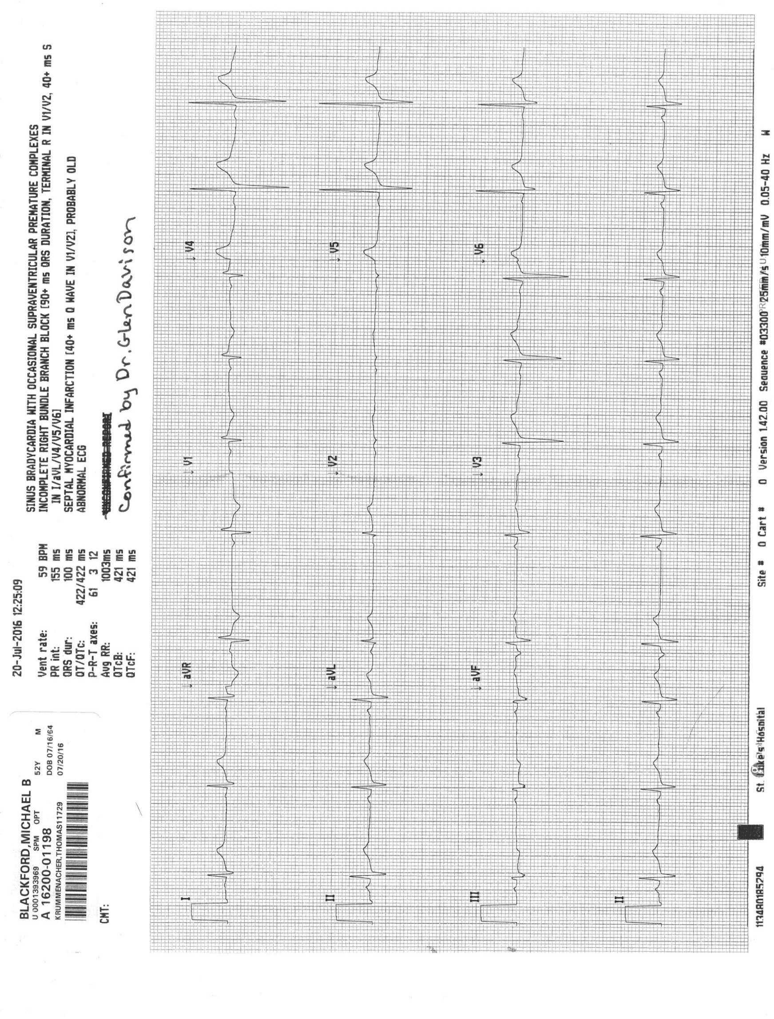
.

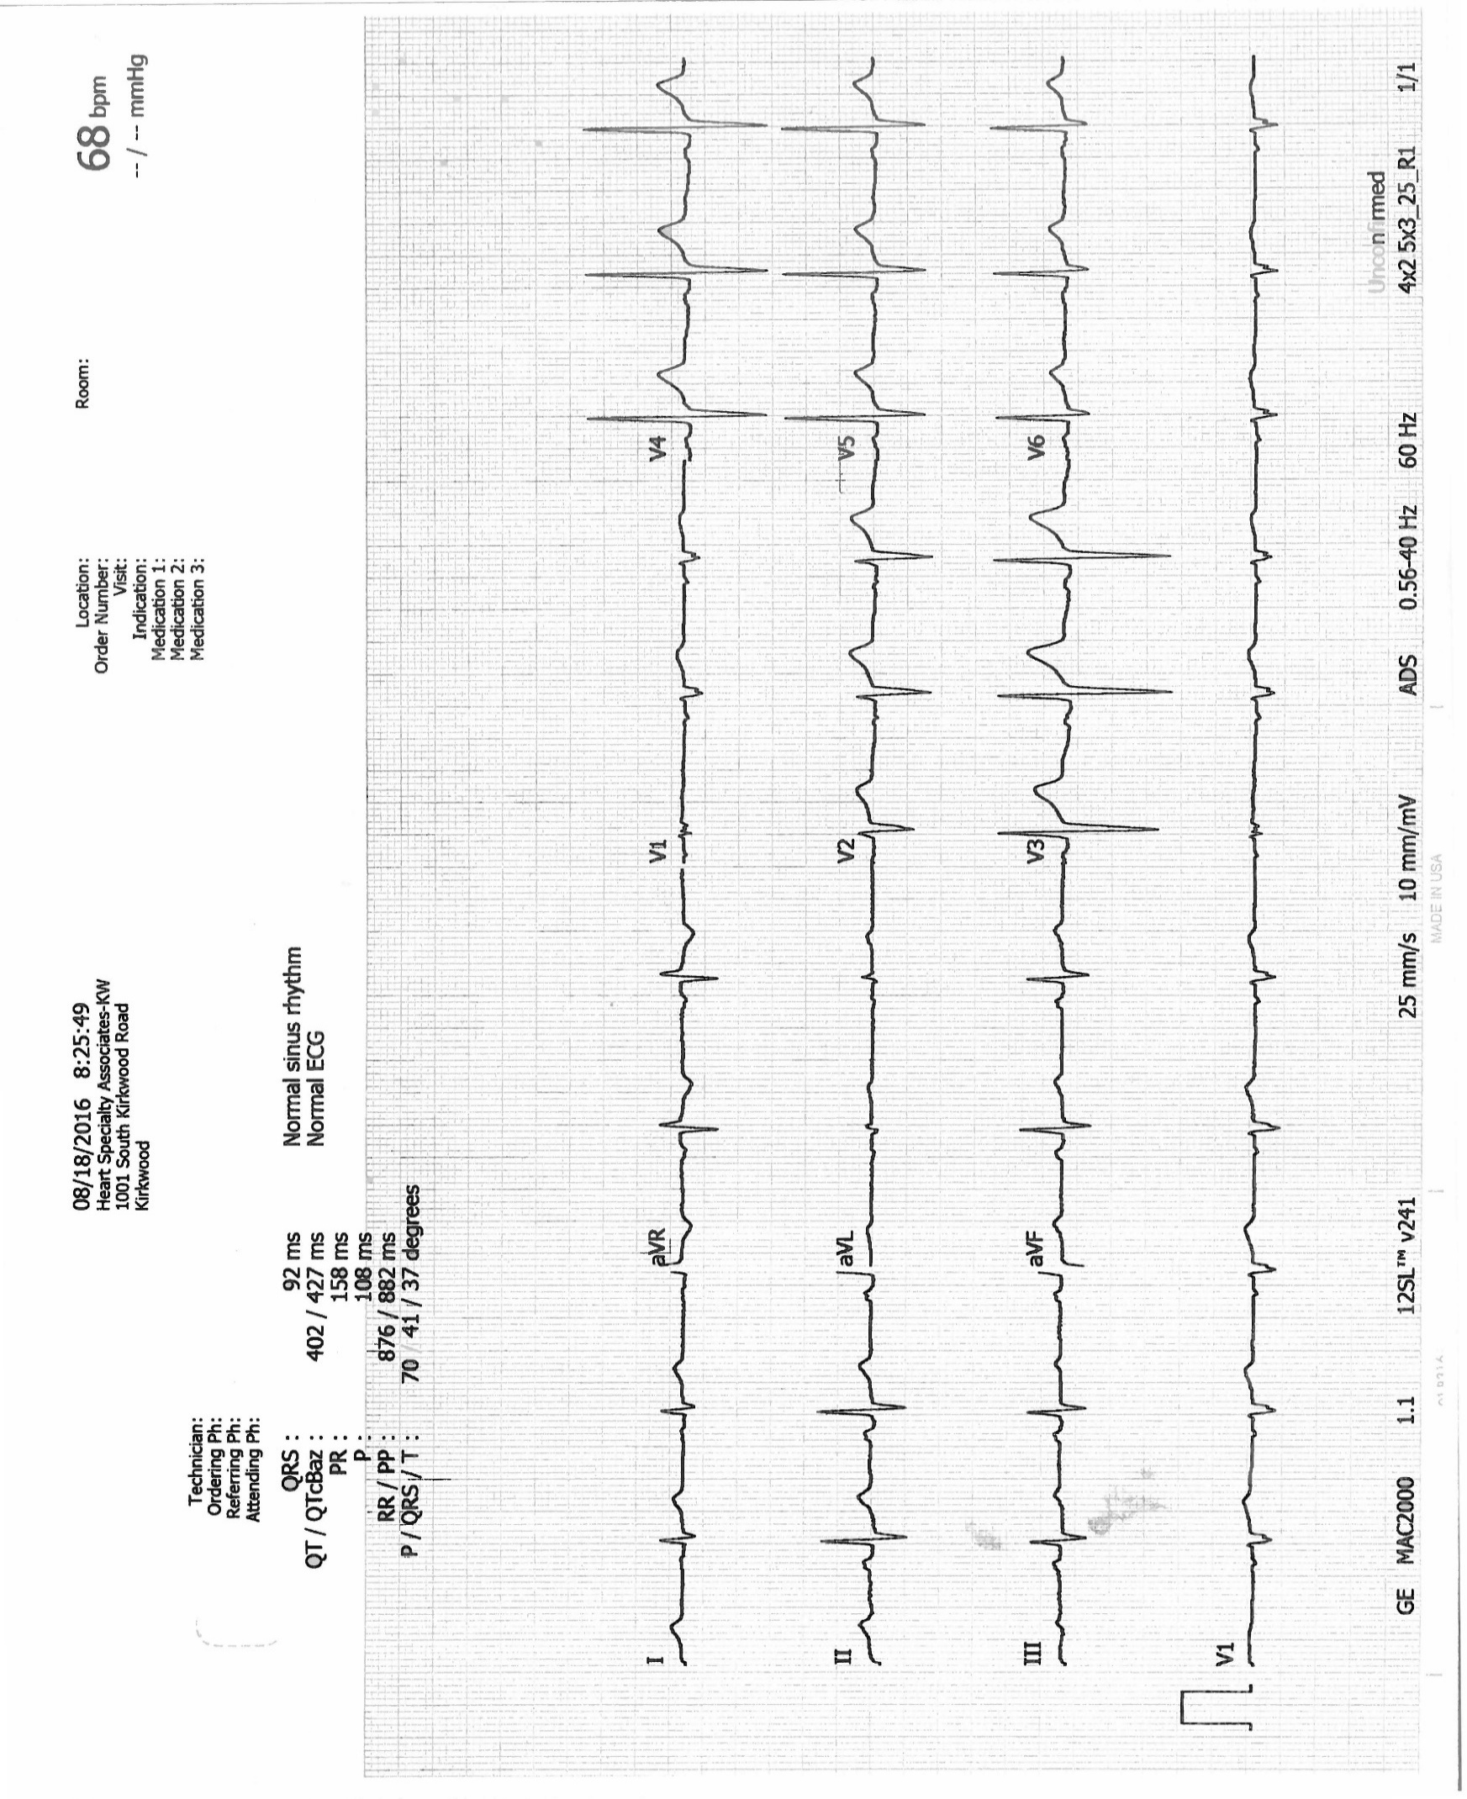

BloodSugar
 | Test Description : | 2007 | 2008 | 2009 | 2010 | 2011 | 2012 | 2013 | 2014 | 2015 | 2016 | 2017 | 2017 | 2018 | 2019 | 2020 | 2021 | 2022 | 2023 | 2024 | 2025
. | Glucose, Serum | 96 | 91 | 98 | 100 | 101 | 103 | 96 | 101 | 94 | 97 | 91 | 91 | 104 | 97 | 101 | 93 | 104 | 111 | 96 | 103
 | Hemoglobin A1c |  | 5.3 | 5.4 | 5.5 | 5.3 | 5.5 | 5.4 | 5.6 | 5.3 | 5.4 | 5.6 | 5.2 | 5.2 | 5.3 | 5.3 | 5.3 | 5.6 | 5.5 | 5.4 | 5.5
 | Glucose | 100 | 100 | 100 | 100 | 100 | 100 | 100 | 100 | 100 | 100 | 100 | 100 | 100 | 100 | 100 | 100 | 100 | 100 | 100 | 100
 | A1c | 5.6 | 5.6 | 5.6 | 5.6 | 5.6 | 5.6 | 5.6 | 5.6 | 5.6 | 5.6 | 5.6 | 5.6 | 5.6 | 5.6 | 5.6 | 5.6 | 5.6 | 5.6 | 5.6 | 5.6

 | Hemoglobin A1c | A1c | Glucose, Serum | Glucose
2007 |  | 5.6 | 96 | 100
2008 | 5.3 | 5.6 | 91 | 100
2009 | 5.4 | 5.6 | 98 | 100
2010 | 5.5 | 5.6 | 100 | 100
2011 | 5.3 | 5.6 | 101 | 100
2012 | 5.5 | 5.6 | 103 | 100
2013 | 5.4 | 5.6 | 96 | 100
2014 | 5.6 | 5.6 | 101 | 100
2015 | 5.3 | 5.6 | 94 | 100
2016 | 5.4 | 5.6 | 97 | 100
2017 | 5.6 | 5.6 | 91 | 100
2017 | 5.2 | 5.6 | 91 | 100
2018 | 5.2 | 5.6 | 104 | 100
2019 | 5.3 | 5.6 | 97 | 100
2020 | 5.3 | 5.6 | 101 | 100
2021 | 5.3 | 5.6 | 93 | 100
2022 | 5.6 | 5.6 | 104 | 100
2023 | 5.5 | 5.6 | 111 | 100
2024 | 5.4 | 5.6 | 96 | 100
2025 | 5.5 | 5.6 | 103 | 100

